tools 4 interacting with Azure
Azure portal
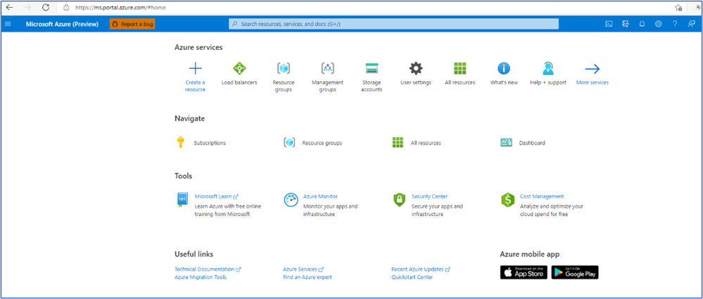

 | provides a GUI to view all the services you are using, create new services, configure your services, and view reports.

 | The Azure portal can run on devices that have the Android operating system installed.
 | The browser can be any type, such as Internet Explorer 11, Chrome, Firefox, or Safari (all the latest versions).

Azure Cloud Shell
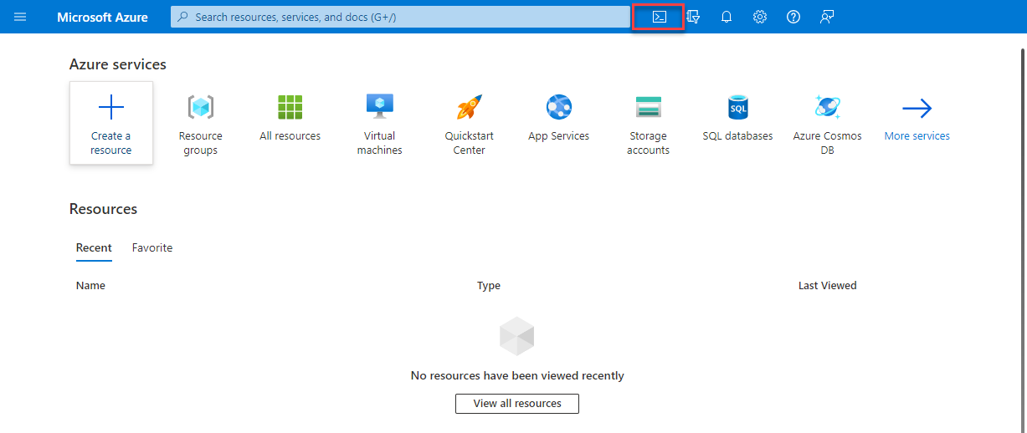

Azure PowerShell
Azure CLI

Azure Arc
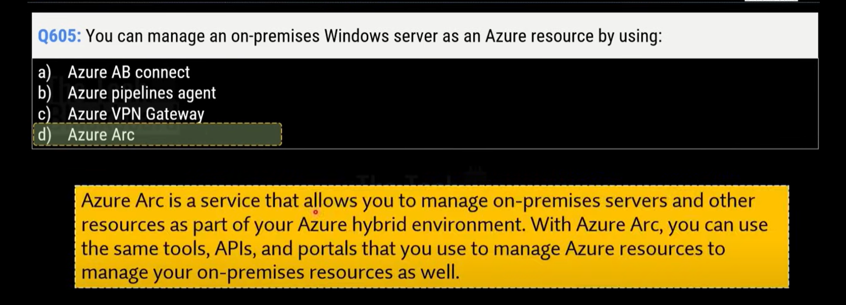
monitoring to your hybrid and multi-cloud configurations

What can Azure Arc do outside of Azure?

Azure Resource Manager (ARM)
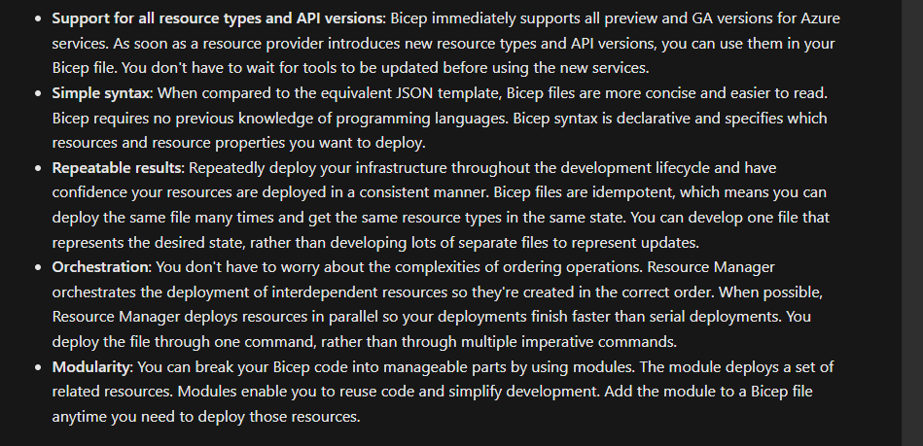
Azure Resource Manager (ARM)
 | enables you to create, update, and delete resources in your Azure account
 | Anytime you do anything with your Azure resources, ARM is involved.

 | When a user sends a request from any of the Azure tools, APIs, or SDKs, ARM receives the request. ARM authenticates and authorizes the request.
 | Then, ARM sends the request to the Azure service, which takes the requested action

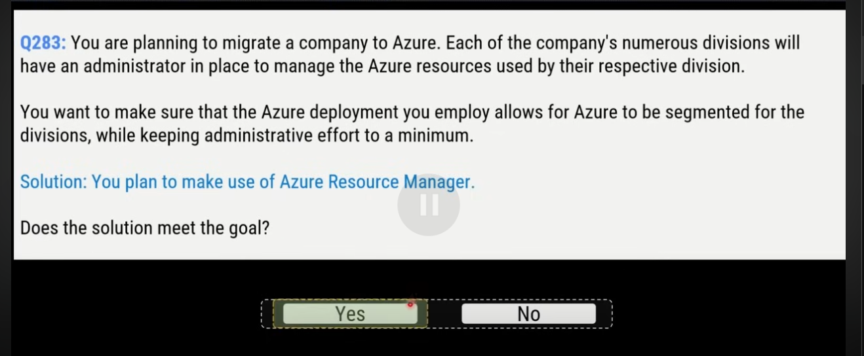

Azure Resource Manager benefits

Infrastructure as code
 | manage your infrastructure as lines of code

ARM templates
 | describe the resources you want to use in a declarative JSON format.

Benefits of using ARM templates
 | Declarative syntax | declare what you want to deploy but don’t need to write the actual programming commands and sequence to deploy the resources.

 | Repeatable results | use the same ARM template to deploy multiple dev/test environments, knowing that all the environments are the same.

 | Orchestration | Azure Resource Manager orchestrates (điều phối) the deployment of interdependent resources, so they're created in the correct order

 | Modular files | You can break your templates into smaller, reusable components and link them together at deployment time
 |  | You can also nest one template inside another template.

 | Extensibility | you can add PowerShell or Bash scripts to your templates.

Bicep
 | is a language that uses declarative syntax to deploy Azure resources.
 | A Bicep file defines the infrastructure and configuration
 | Then, ARM deploys that environment based on your Bicep file
 | While similar to an ARM template, which is written in JSON, Bicep files tend to use a simpler, more concise (ngắn gọn) style.

 | Some benefits of Bicep are:

